Sheet5
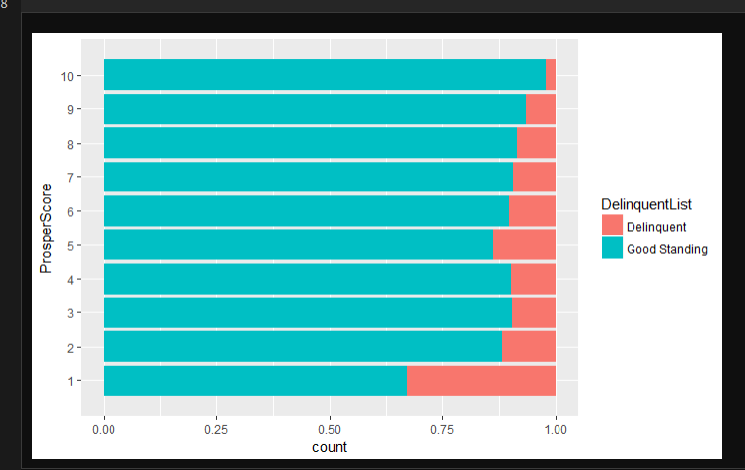
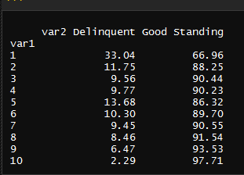
ListingKey
ListingCreationDate
Term
LoanStatus
BorrowerRate | nothing
ProsperRating (numeric)
ProsperRating (Alpha)
ProsperScore
ListingCategory
BorrowerState
Occupation
EmploymentStatus
IsBorrowerHomeowner
CreditScoreRangeLower
CreditScoreRangeUpper
CurrentCreditLines
AmountDelinquent
BankcardUtilization
AvailableBankcardCredit
DebtToIncomeRatio
IncomeRange
IncomeVerifiable
LoanOriginalAmount
Recommendations
InvestmentFromFriendsCount
InvestmentFromFriendsAmount
Investors

